Bugs report
Bug ID | Summary | Priority | Steps to reproduce | Expected result | Actual result | Attachments
1 | Every contact without fail should have name of the client, but this requirement may be unfulfilled | major | 1) Input into field "Name" the "space"; 2)Filling up other fields by valid data; 3)Press "Submit" button. | Button "Submit" is unavaliable and Warning message under "Name" field | Button "Submit" is avaliable and contact is saved without name of the client
2 | The CRM is not fully adaptive | minor | Change the width of the browser window | adaptivity | New contact window isn't adaptive in width range 768-991 px Also, it isn't fully adaptive in width range 576-768 px | 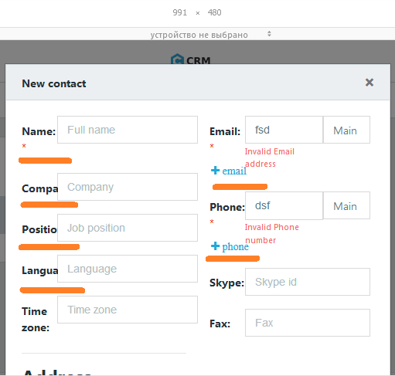 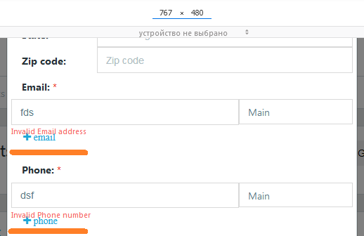
 |  |  |  |  | Contact detail window isn't adaptive in width range 768-991 px | 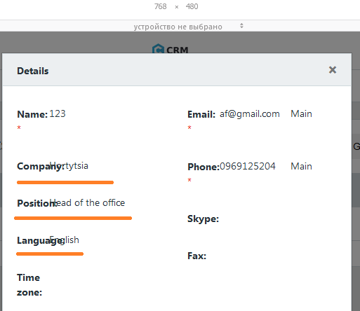
 |  |  |  |  | Page isn't adaptive in width range 992-1080 px | 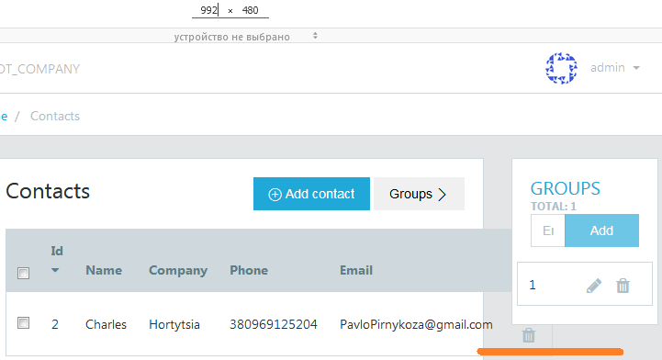
3 | Grammatical error in the warning | minor | Input into "Group name" field 50 English characters. | Warning message under "Group name is too long" | Warning message under "Group name is to long" | 